Overview
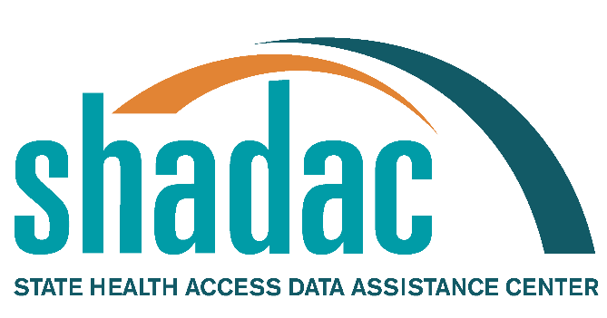
This Excel file includes the names of state-sponsored health insurance programs for all 50 states and the District of Columbia. It documents program names familiar to enrollees; therefore it includes colloquial as well as official names. The document has two tabs – the first includes names of traditional state-sponsored insurance programs such as Medicaid and CHIP. The second tab includes information on insurance marketplaces.
The purpose of the document is to act as a resource for researchers interested in state health care programs. This list was compiled by the State Health Access Data Assistance Center (SHADAC). On an annual basis, SHADAC contacts state Medicaid staff to verify the names of public health insurance programs within each state. SHADAC compiles and delivers these program names to the U.S. Census Bureau for use in federal surveys that measure health insurance coverage, such as the Current Population Survey (CPS.)
Information on program names was collected between September and October of 2021 and includes all comprehensive state–sponsored health insurance programs that were in operation during 2021. Therefore, it includes programs that were scheduled to cease operations. Information on marketplace type was confirmed using HealthCare.gov and the Kaiser Family Foundation's 2022 table found here.
We welcome any suggestions for modifications or corrections. Please share them through our email address at shadac@umn.edu.

